Indices

 | Iraq Stock Exchange
 | Bulletin No (179)

 | ISX Trading Indices of Wednesday 8/10/2025

 | Traded Volume and OTC |  | 886,612,587 |  | Traded Value and OTC |  | 920,424,519 |  | Traders | 867

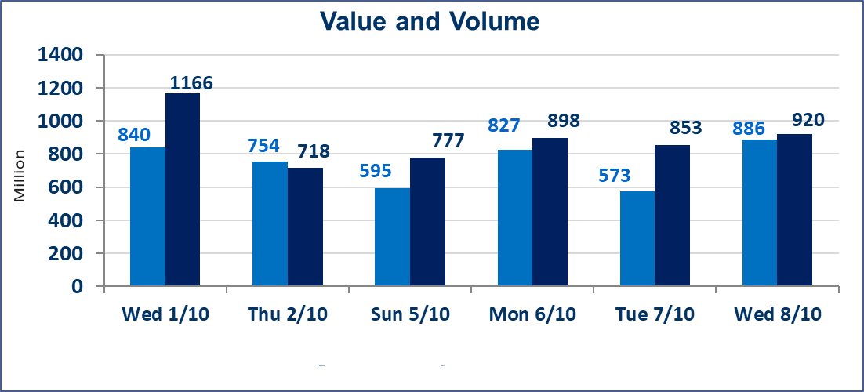
 | ISX Index 60 |  |  | 942.10 | ISX Index 15 |  |  | 1114.44
 | Previous ISX Index60 |  |  | 948.54 | Previous ISX Index15 |  |  | 1121.44
 | Change % |  |  | -0.68 | Change % |  |  | -0.62
 | Change |  |  | -6.44 | Change |  |  | -7.00

 | Listed Companies | 104 | OTC | 11 | Non Traded listed | 47 | OTC | 9
 | Traded Listed Companies | 39 | OTC | 1 | Higher Companies |  |  | 9
 | GAM Companies |  |  | 8 | Lower Companies |  |  | 15
 | Suspended Companies |  |  | 10
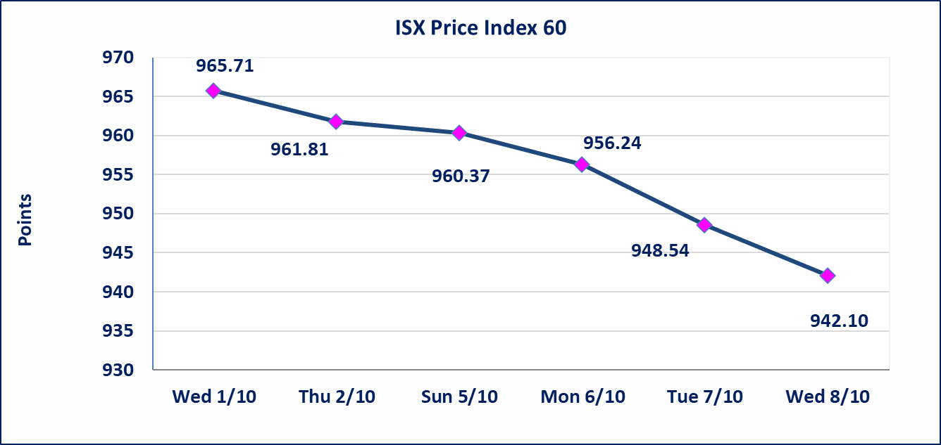
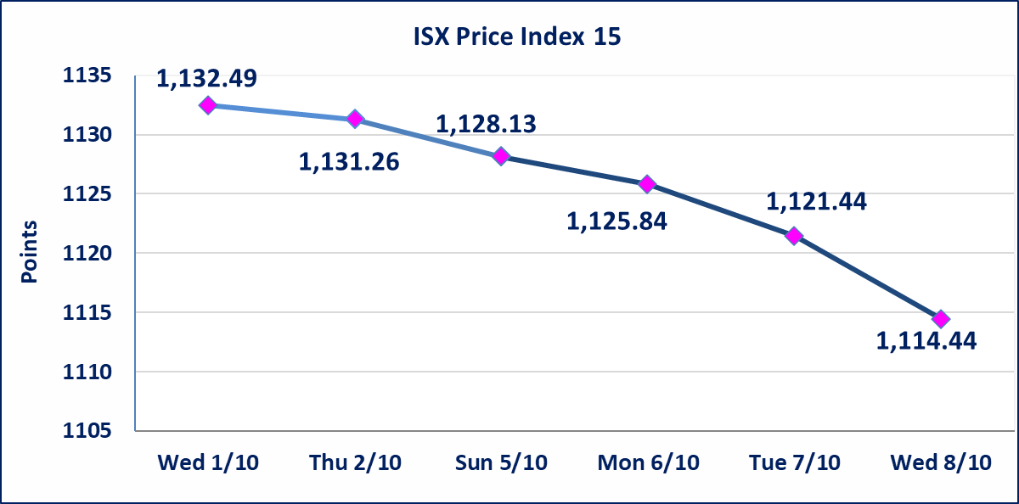

Al-Alwiya P.O . 3607 Mobile: 07711211522 - 07270094594 - 07834000034 E-mail: info-isx@isx-iq.net Web site:www.isx-iq.net

Top 5
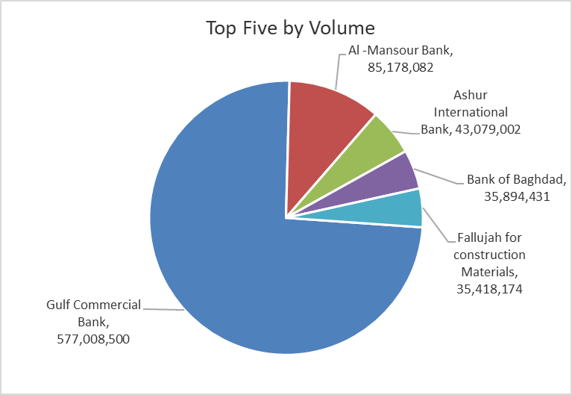
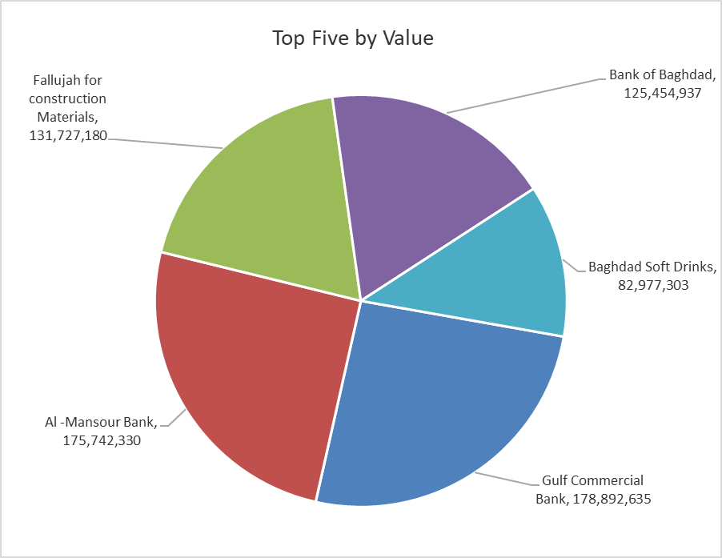
ISX top ganing and losing companies
Wednesday 8/10/2025
Gainers |  |  |  | Losers
Company Name | Closing Price | Change (%) | Traded Volume | Company Name | Closing Price | Change (%) | Traded Volume
Ready Made Clothes | 2.350 | 14.63 | 5,534,339 | Palestine Hotel | 30.400 | -5.00 | 119,828
Fallujah for construction Materials | 3.790 | 5.28 | 35,418,174 | Ishtar Hotels | 9.200 | -3.66 | 1,201,675
Economy Bank | 0.250 | 4.17 | 9,063,484 | Baghdad -Iraq Transportation | 34.050 | -2.71 | 465,000
Gulf Commercial Bank | 0.310 | 3.33 | 577,008,500 | Al-Ameen Estate Investment | 1.760 | -2.22 | 1,500,000
Metallic Industries and Bicycles | 2.100 | 2.44 | 420,000 | National Bank of Iraq | 4.020 | -1.95 | 5,327,890

The most active companies in term of traded volume and value

Traded Volume |  |  |  | Traded Value
Company Name | Closing Price | Change (%) | Traded Volume | Company Name | Closing Price | Change (%) | Traded Value
Gulf Commercial Bank | 0.310 | 3.33 | 577,008,500 | Gulf Commercial Bank | 0.310 | 3.33 | 178,892,635
Al -Mansour Bank | 2.060 | -0.48 | 85,178,082 | Al -Mansour Bank | 2.060 | -0.48 | 175,742,330
Ashur International Bank | 0.240 | 0.00 | 43,079,002 | Fallujah for construction Materials | 3.790 | 5.28 | 131,727,180
Bank of Baghdad | 3.490 | -0.85 | 35,894,431 | Bank of Baghdad | 3.490 | -0.85 | 125,454,937
Fallujah for construction Materials | 3.790 | 5.28 | 35,418,174 | Baghdad Soft Drinks | 4.550 | -1.73 | 82,977,303

Non OTC

Iraq Stock Exchange
Non Iraqis' Bulletin Wednesday Oct 8 2025
Regular Market

Non Iraqi Trading of OTC (Sell)
Company Names | Code | No.of trades | Traded Shares | Trading Volume
Banks Sector
Warka Bank for inv.&Finance | BWAI | 2 | 5,000,000 | 500,000
Total Bank sector |  | 2 | 5,000,000 | 500,000
Grand Total |  | 2 | 5000000 | 500000

